General
regression algorithms attempt to estimate the mapping function (f) from the input variables (x) to numerical or continuous output variables (y). classification algorithms attempt to estimate the mapping function (f) from the input variables (x) to discrete or categorical output variables (y).
Getting exposure to test data during training is called data leak and should be taken care of.
Golden Rul of avoiding Data Leak: The right approach would be to first split the data into training set and test set. Convert them to Z score (or any other form of standardization technique). This way the training set and test set do not influence one another during the process of standardization.
fit() just calculates the parameters (e.g. 𝜇μ and 𝜎σ in case of StandardScaler) and saves them as an internal objects state. Afterwards, you can call its transform() method to apply the transformation to a particular set of examples. fit_transform() joins these two steps and is used for the initial fitting of parameters on the training set 𝑥, but it also returns a transformed 𝑥′. Internally, it just calls first fit() and then transform() on the same data.
Check through pair plot whether features are too correlated. If so, then drop one column.
Correlation between 2 variables indicate how closely their relationship follows a straight line. By default, we use Pearson's correlation (r value) which ranges between +1 and -1. Correlation of extreme possible vaules (-1 and +1) indicate a perfect linear relationship between X and Y whereas a correlation of 0 indicates absence of linear relationship. Anything in the range of 0.7 to 1 or -1 to -0.7 is considered a good relation. If the r value of x and y is close to 0, that means it cannot be used to build a linear model only. it will work for other models.
Correlated features in general don't improve models (although it depends on the specifics of the problem like the number of variables and the degree of correlation), but they affect specific models in different ways and to varying extents: For linear models (e.g., linear regression or logistic regression), multicolinearity can yield solutions that are wildly varying and possibly numerically unstable. Random forests can be good at detecting interactions between different features, but highly correlated features can mask these interactions. More generally, this can be viewed as a special case of Occam's razor. A simpler model is preferable, and, in some sense, a model with fewer features is simpler. The concept of minimum description length makes this more precise.
lazy vs eager learner
Steps which are involved while solving any problem in machine learning are as follows: - Gathering data. - Cleaning data. - Feature engineering. - Defining model. - Training, testing model and predicting the output.
If a model does not perform well in training, then the model will be underfit. If a model performs well in training but not in testing, then the model will be overfit.
What is Bias? Bias is the algorithm’s tendency to consistently learn the wrong thing by not taking into account all the information in the data (underfitting). Examples of high-bias algorithms include Linear Regression, Linear Discriminant Analysis, and Logistic Regression. Bias can be checked during training of a model.
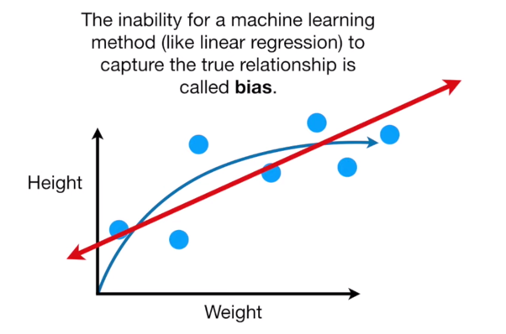
 |  |  |  | Machine Learning | Reinforcement Learning
 |  | Supervised Learning |  | Unsupervised Learning
 | Regression |  | Classification
 | Linear Reg |  | Naïve Bayes
 | KNN |  | KNN
 | Decision Tree |  | Logistic
 |  |  | Decision Tree

What is Variance? Variance is an error from sensitivity to small fluctuations in the training set. High variance can cause an algorithm to model the random noise in the training data, rather than the intended outputs (overfitting). Variance can be found during the testing of a model.
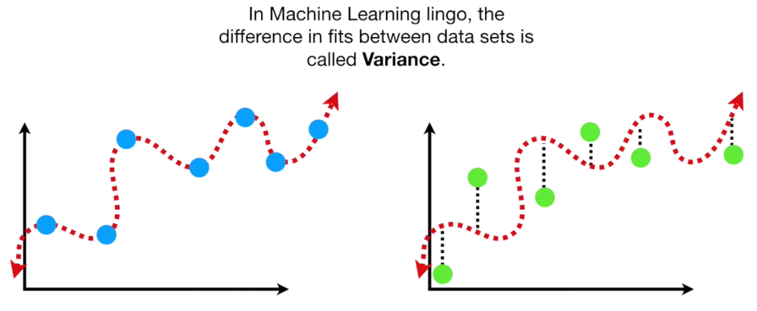

A high bias model will give consistent predictions. It may be good prediction but not great prediction. But it will always be consistent. A high variance model can sometimes perform well and sometimes can perform terribly.
https://www.youtube.com/watch?v=EuBBz3bI-aA&vl=en
An ideal model should be of low bias and low variance. This is done by finding the sweet spot.
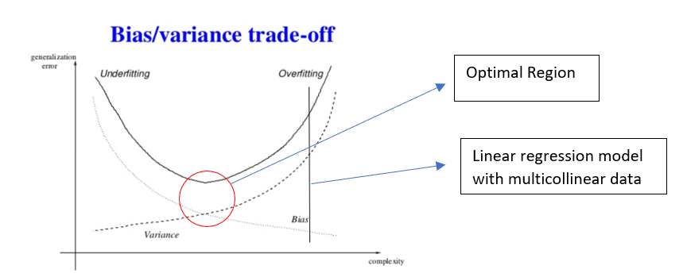

*note: Complexity means number of dimensions
K-fold cross validation
Cross-validation is a resampling procedure used to evaluate machine learning models on a limited data sample. The procedure has a single parameter called k that refers to the number of groups that a given data sample is to be split into. As such, the procedure is often called k-fold cross-validation. | from sklearn.cross_validation import cross_val_score
The general procedure is as follows: - Shuffle the dataset randomly. -Split the dataset into k groups - For each unique group: - Take the group as a hold out or test data set - Take the remaining groups as a training data set - Fit a model on the training set and evaluate it on the test set - Retain the evaluation score and discard the model - Summarize the skill of the model using the sample of model evaluation scores | knn = KNeighborsClassifier(n_neighbors=5) scores = cross_val_score(knn, X, y, cv=10, scoring='accuracy') print(scores)
The value for k is generally fixed to 10, a value that has been found through experimentation to generally result in a model skill estimate with low bias a modest variance.
https://www.ritchieng.com/machine-learning-cross-validation/

Linear Regression
Simple linear regression is a type of regression analysis where the number of independent variables is one and there is a linear relationship between the independent(x) and dependent(y) variable.
When to use Linear Regression:
y = m*x + c or y = m1*x1 + m2*x2 + .... + mn*xn + c*x0 (where x0 = 1) y -> dependent variable x -> independent variable m -> the coefficient for the independent variable. In machine learning we call coefficients weights. c -> the intercept where our line intercepts the y-axis. In machine learning we can call intercepts bias. Bias offsets all predictions that we make.
We need to find m and c to find the best fit line for the model.
Linear Regression is done using : - equation of a straight line if done in 2 dimensions (y = mx + c) - equation of a plane if done in 3 dimensions (y = m1*x1 + m2*x2 + c) - equation of a hyper plane if done in n dimensions (y = m1*x1 + m2*x2 + … + mn*xn + c)
Pearson’s correlation coefficient is the test statistics that measures the statistical relationship, or association, between two continuous variables. It is known as the best method of measuring the association between variables of interest because it is based on the method of covariance. It gives information about the magnitude of the association, or correlation, as well as the direction of the relationship.
Assumptions in Pearson's Correlation: Independent of case: Cases should be independent to each other. Linear relationship: Two variables should be linearly related to each other. This can be assessed with a scatterplot: plot the value of variables on a scatter diagram, and check if the plot yields a relatively straight line. Homoscedasticity: the residuals scatterplot should be roughly rectangular-shaped.
For a linear regression, use the features whose Pearson's Coefficient is close to 1 for predicting the dependent column. - Correlation coefficients whose magnitude are between 0.7 and 1 indicate variables which can be considered highly correlated. - Correlation coefficients whose magnitude are between 0.5 and 0.7 indicate variables which can be considered moderately correlated. - Correlation coefficients whose magnitude are between 0.3 and 0.5 indicate variables which have a low correlation. - Correlation coefficients whose magnitude are between 0 indicate variables which have no correlation.
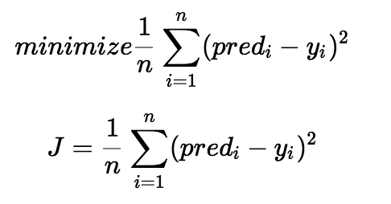
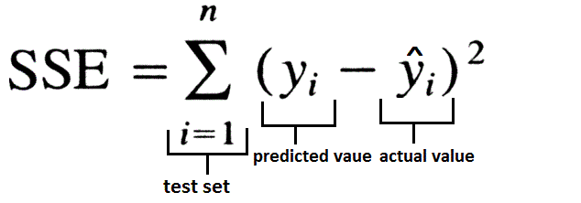

Finding the best fit line: The difference between the predicted y and the actual y measures the error difference. We square the error difference (the difference might sometimes be negative and the summation of all those values might give wrong result) and sum over all data points and divide that value by the total number of data points. This provides the average squared error over all the data points. Therefore, this cost function is also known as the Mean Squared Error(MSE) function.
There can be many lines drawn for the points given. But the line with the minimum MSE gives us the best Fit Line.
If MSE is not divided by n, then we get the Sum of Squared Errors (SSE).
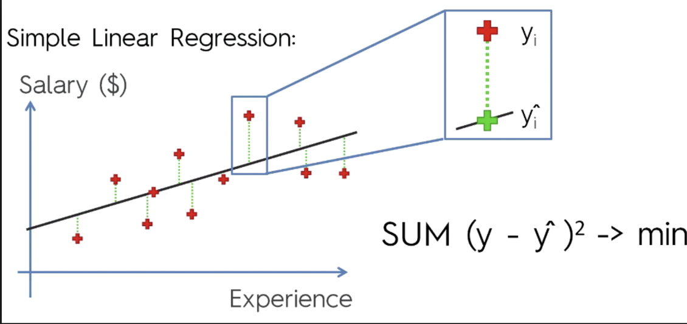

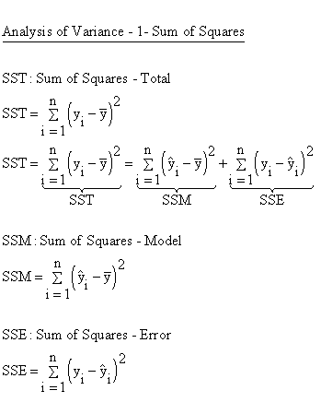

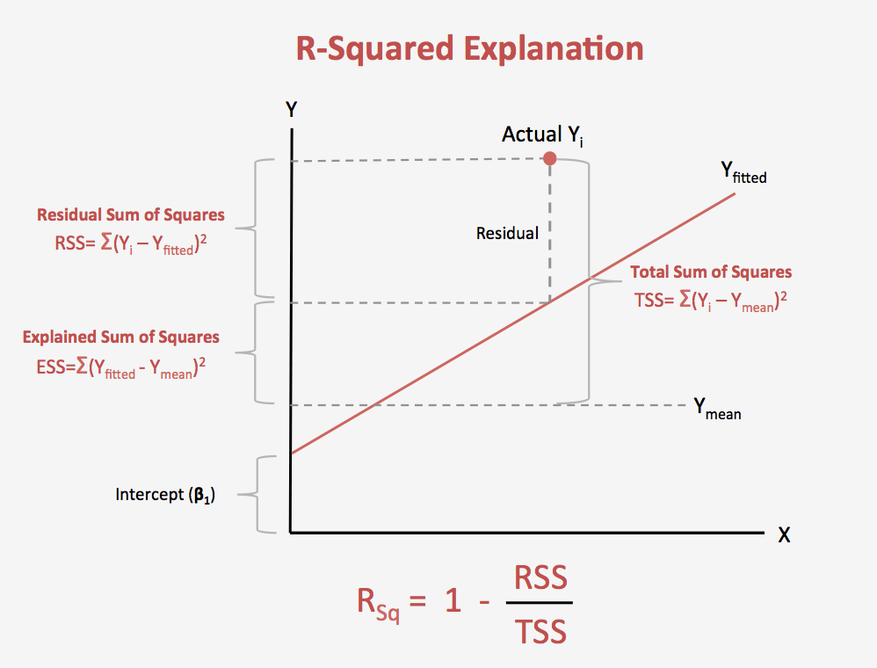

Errors estimated in Linear Regression: - Residual Sum of Squares (RSS) / Sum of Squared Errors (SSE) -> (y_i - y_fitted)^2 (unexplained error. the lesser is this value, the better is the model) - Total Sum of Squares (TSS) / Sum of Squared Errors Total (SST) -> (y_i - y_mean)^2 (total error) - Estimated Sum of Squares (ESS) / Sum of Squared Errors Regression (SSR) -> (y_fiited - y_mean)^2 (error captured by model) *Here x_mean and y_mean are the means of all x_i and all y_i. The point where x_mean and y_mean meet is the point where the best fit line passes.
To minimize MSE we use Gradient Descent to calculate the gradient of our cost function.
The coefficient of determination, denoted R^2 or r^2 and pronounced "R squared", is the proportion of the variance in the dependent variable that can be predicted by the independent variable(s). R^2 = 1 - (SSE/SST) The value of R^2 ranges from 0 to 1. Closer the value of R^2 to 1, better is the model. Suppose R2 = 0.49. This implies that 49% of the variability of the dependent variable has been accounted for, and the remaining 51% of the variability is still unaccounted for.
Problems with R^2: Problem 1: Every time you add a predictor to a model, the R-squared increases, even if due to chance alone. It never decreases. Consequently, a model with more terms may appear to have a better fit simply because it has more terms. Problem 2: If a model has too many predictors and higher order polynomials, it begins to model the random noise in the data. This condition is known as overfitting the model and it produces misleadingly high R-squared values and a lessened ability to make predictions.
Adjusted R^2: R^2 - fluke The adjusted R-squared is a modified version of R-squared that has been adjusted for the number of predictors in the model. The adjusted R-squared increases only if the new term improves the model more than would be expected by chance. It decreases when a predictor improves the model by less than expected by chance. The adjusted R-squared can be negative, but it’s usually not. It is always lower than the R-squared. In the below image, you can see where the adjusted R-squared peaks, and then declines. Meanwhile, the R-squared continues to increase. Hence, you might want to include only three predictors in this model.
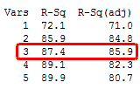

Pros: Simple to implement and interpret Cons: Assumes that x and y follow a linear relation. Outliers have a huge effect(effects the best fit line) Assumes independence between attributes
Feature Engineering in Linear Regression model.
Linear Regression has five key assumptions: - Linear relationship - Multivariate normality - No or little multicollinearity - No auto-correlation - Homoscedasticity
First, linear regression needs the relationship between the independent and dependent variables to be linear. It is also important to check for outliers since linear regression is sensitive to outlier effects. The linearity assumption can best be tested with scatter plots, the following two examples depict two cases, where no and little linearity is present.
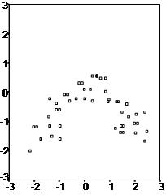
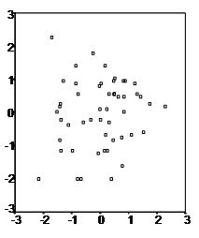

Secondly, the linear regression analysis requires all variables to be multivariate normal. This assumption can best be checked with a histogram or a Q-Q-Plot. Normality can be checked with a goodness of fit test, e.g., the Kolmogorov-Smirnov test. When the data is not normally distributed a non-linear transformation (e.g., log-transformation) might fix this issue.
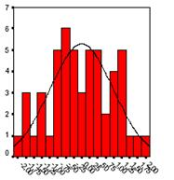
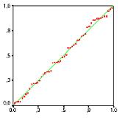

Thirdly, linear regression assumes that there is little or no multicollinearity in the data. Multicollinearity occurs when the independent variables are too highly correlated with each other. Multicollinearity can be tested using Correlation Matrix.
Fourthly, linear regression analysis requires that there is little or no autocorrelation in the data. Autocorrelation occurs when the residuals are not independent from each other. In other words when the value of y(x+1) is not independent from the value of y(x). While a scatterplot allows you to check for autocorrelations, you can test the linear regression model for autocorrelation with the Durbin-Watson test. Durbin-Watson’s d tests the null hypothesis that the residuals are not linearly auto-correlated. While d can assume values between 0 and 4, values around 2 indicate no autocorrelation. As a rule of thumb values of 1.5 < d < 2.5 show that there is no auto-correlation in the data. However, the Durbin-Watson test only analyses linear autocorrelation and only between direct neighbors, which are first order effects.
The last assumption of the linear regression analysis is homoscedasticity. The scatter plot is good way to check whether the data are homoscedastic (meaning the residuals are equal across the regression line). The following scatter plots show examples of data that are not homoscedastic (i.e., heteroscedastic):
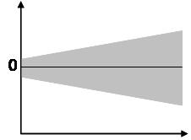
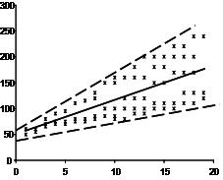

Why is normal distribution needed for Linear Regression? Linear regression by itself does not need the normal (gaussian) assumption, the estimators can be calculated (by linear least squares) without any need of such assumption, and makes perfect sense without it. But then, as statisticians we want to understand some of the properties of this method, answers to questions such as: are the least squares estimators optimal in some sense? or can we do better with some alternative estimators? Then, under the normal distribution of error terms, we can show that this estimators are, indeed, optimal, for instance they are "unbiased of minimum variance", or maximum likelihood. No such thing can be proved without the normal assumption. Also, if we want to construct (and analyze properties of) confidence intervals or hypothesis tests, then we use the normal assumption. But, we could instead construct confidence intervals by some other means, such as bootstrapping. Then, we do not use the normal assumption, but, alas, without that, it could be we should use some other estimators than the least squares ones, maybe some robust estimators? In practice, of course, the normal distribution is at most a convenient fiction. So, the really important question is, how close to normality do we need to be to claim to use the results referred to above?

Logistic
Logistic Regression is based on a linear model.
Types of Logistic Regression 1. Binary Logistic Regression The categorical response has only two 2 possible outcomes. Example: 0 (Spam) or 1 (Not) 2. Multinomial Logistic Regression Three or more categories without ordering. Example: Predicting which food is preferred more (Veg, Non-Veg, Vegan) 3. Ordinal Logistic Regression Three or more categories with ordering. Example: Movie rating from 1 to 5 | from sklearn.linear_model import LogisticRegression from sklearn.model_selection import train_test_split # calculate accuracy measures and confusion matrix from sklearn import metrics
Consider a scenario where we need to classify whether an email is spam or not. If we use linear regression for this problem, there is a need for setting up a threshold based on which classification can be done. Say if the actual class is malignant, predicted continuous value 0.4 and the threshold value is 0.5, the data point will be classified as not malignant which can lead to serious consequence in real time. From this example, it can be inferred that linear regression is not suitable for classification problem. Linear regression is unbounded, and this brings logistic regression into picture. Their value strictly ranges from 0 to 1. | X = pima_df.iloc[:,0:8] y = pima_df.iloc[:,8] X_train, X_test, y_train, y_test = train_test_split(X, y, test_size=0.30, random_state=1)
Logistic regression is named for the function used at the core of the method, the logistic function or the sigmoid function. | X_train_scaled = preprocessing.scale(X_train) X_test_scaled = preprocessing.scale(X_test)
It’s an S-shaped curve that can take any real-valued number and map it into a value between 0 and 1, but never exactly at those limits. 1 / (1 + e^-value) where, value is the actual numerical value that you want to transform | model = LogisticRegression() model.fit(X_train_scaled, y_train) y_predict = model.predict(X_test_scaled)
How Logistic Regression works: 1) Logistic Regression measures the relationship between the dependent variable (our label, what we want to predict) and the one or more independent variables (our features), by estimating probabilities. 2) These probabilities must then be transformed into binary values in order to actually make a prediction. This is the task of the logistic function, also called the sigmoid function. The Sigmoid-Function is an S-shaped curve that can take any real-valued number and map it into a value between the range of 0 and 1, but never exactly at those limits. 3) This values between 0 and 1 will then be transformed into either 0 or 1 using a threshold classifier. | model_score = model.score(X_test_scaled, y_test) print(model_score) print(metrics.confusion_matrix(y_test, y_predict))
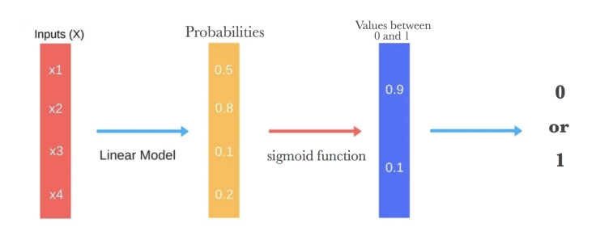
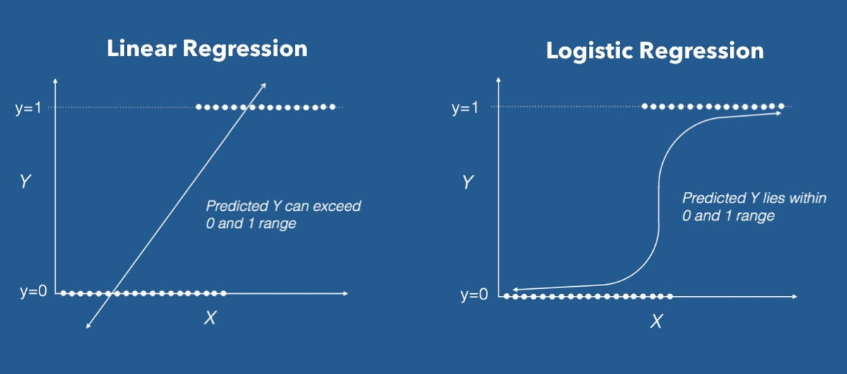
 | > sklearn.linear_model.prdeict(X) > sklearn.linear_model.prdeict_proba(X) > sklearn.linear_model.prdeict_log_proba(X)

Logistic regression models the probability of the default class (e.g. the first class). For example, if we are modeling people’s sex as male or female from their height, then the first class could be male and the logistic regression model could be written as the probability of male given a person’s height, or more formally: P(sex=male|height)
The sigmoid curve is the best fit line given the data points. Project the x-axis values on the S-curve. Then project the values from the curve to the y-axis. The points on the y-axis are the probability values. To predict which class a data belongs, a threshold can be set. Based upon this threshold, the obtained estimated probability is classified into classes. Say, if predicted_value ≥ 0.5, then classify email as spam else as not spam.
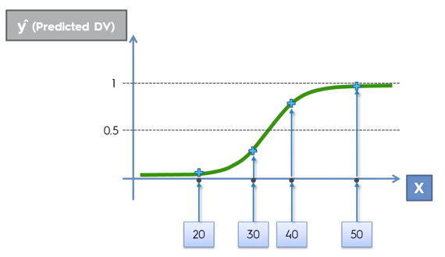

The coefficients (Beta values b) of the logistic regression algorithm must be estimated from your training data. This is done using maximum-likelihood estimation. The best coefficients would result in a model that would predict a value very close to 1 (e.g. male) for the default class and a value very close to 0 (e.g. female) for the other class. The intuition for maximum-likelihood for logistic regression is that a search procedure seeks values for the coefficients (Beta values) that minimize the error in the probabilities predicted by the model to those in the data (e.g. probability of 1 if the data is the primary class).
To predict which class a data belongs, a threshold can be set. Based upon this threshold, the obtained estimated probability is classified into classes. Say, if predicted_value ≥ 0.5, then classify email as spam else as not spam.
A key difference from linear regression is that the output value being modeled is a binary values (0 or 1) rather than a numeric value.
y = e^(b0 + b1*x) / (1 + e^(b0 + b1*x)) Where y is the predicted output, b0 is the bias or intercept term and b1 is the coefficient for the single input value (x)
p(X) = e^(b0 + b1*X) / (1 + e^(b0 + b1*X)) can be derived to ln(p(X) / 1 – p(X)) = b0 + b1 * X
Let’s say we have a model that can predict whether a person is male or female based on their height (completely fictitious). Given a height of 150cm is the person male or female. We have learned the coefficients of b0 = -100 and b1 = 0.6. Using the equation above we can calculate the probability of male given a height of 150cm or more formally P(male|height=150). We will use EXP() for e, because that is what you can use if you type this example into your spreadsheet: y = e^(b0 + b1*X) / (1 + e^(b0 + b1*X)) y = exp(-100 + 0.6*150) / (1 + EXP(-100 + 0.6*X)) y = 0.0000453978687 Or a probability of near zero that the person is a male. In practice we can use the probabilities directly. Because this is classification and we want a crisp answer, we can snap the probabilities to a binary class value, for example (taking 0.5 as the threshold boundary): 0 if p(male) < 0.5 1 if p(male) >= 0.5
Advantages: 1) It is a widely used technique because it is very efficient, does not require too many computational resources, it’s highly interpretable, it doesn’t require input features to be scaled, it doesn’t require any tuning, it’s easy to regularize, and it outputs well-calibrated predicted probabilities. 2) Like linear regression, logistic regression does work better when you remove attributes that are unrelated to the output variable as well as attributes that are very similar (correlated) to each other. Therefore Feature Engineering plays an important role in regards to the performance of Logistic and also Linear Regression. 3) Another advantage of Logistic Regression is that it is incredibly easy to implement and very efficient to train. I typically start with a Logistic Regression model as a benchmark and try using more complex algorithms from there on. 4) Because of its simplicity and the fact that it can be implemented relatively easy and quick, Logistic Regression is also a good baseline that you can use to measure the performance of other more complex Algorithms.
Disadvantages: 1) A disadvantage of it is that we can’t solve non-linear problems with logistic regression since it’s decision surface is linear. 2) Logistic Regression is also not one of the most powerful algorithms out there and can be easily outperformed by more complex ones. 3) Another disadvantage is its high reliance on a proper presentation of your data. This means that logistic regression is not a useful tool unless you have already identified all the important independent variables. 4) Since its outcome is discrete, Logistic Regression can only predict a categorical outcome. 5) It is also an Algorithm that is known for its vulnerability to overfitting.
Assumptions in Logistic Regression: - First, logistic regression does not require a linear relationship between the dependent and independent variables. - Second, the error terms (residuals) do not need to be normally distributed. - Third, homoscedasticity is not required. - Finally, the dependent variable in logistic regression is not measured on an interval or ratio scale.
However, some other assumptions still apply. - First, binary logistic regression requires the dependent variable to be binary and ordinal logistic regression requires the dependent variable to be ordinal. - Second, logistic regression requires the observations to be independent of each other. In other words, the observations should not come from repeated measurements or matched data. - Third, logistic regression requires there to be little or no multicollinearity among the independent variables. This means that the independent variables should not be too highly correlated with each other. - Fourth, logistic regression assumes linearity of independent variables and log odds. although this analysis does not require the dependent and independent variables to be related linearly, it requires that the independent variables are linearly related to the log odds. - There should not be any outliers in the dataset. - Finally, logistic regression typically requires a large sample size. A general guideline is that you need at minimum of 10 cases with the least frequent outcome for each independent variable in your model. For example, if you have 5 independent variables and the expected probability of your least frequent outcome is .10, then you would need a minimum sample size of 500 (10*5 / .10).
When to use Logistic Regression: Logistic Regression separates your input into two „regions” by a linear boundary, one for each class. Therefore it is required that your data is linearly separable, like the data points in the image below. You should think about using logistic regression when your Y variable takes on only two values (e.g when you are facing a classification problem). Note that you could also use Logistic Regression for multiclass classification.
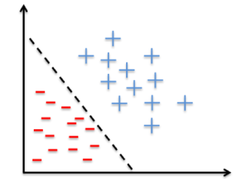

https://machinelearningmastery.com/logistic-regression-for-machine-learning/
https://towardsdatascience.com/logistic-regression-detailed-overview-46c4da4303bc
https://machinelearning-blog.com/2018/04/23/logistic-regression-101/
https://thestatsgeek.com/2014/02/08/r-squared-in-logistic-regression/

Decision Tree
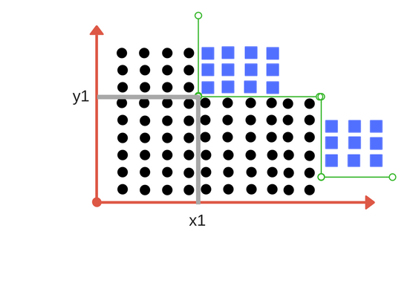
Decision Tree Classifier, repetitively divides the working area(plot) into sub part by identifying lines. (repetitively because there may be two distant regions of same class divided by other as shown in image below).
 | # Code for Regularized Decision Tree using GridSearchCV
 | param_grid = {}
 | max_depth_list = range(2,10)
 | param_grid.update(max_depth=max_depth_list)
 | min_sample_leaf_list = range(2,10)
 | param_grid.update(min_samples_leaf=min_sample_leaf_list)
 | dt_model_reg = DecisionTreeClassifier(criterion='entropy', random_state=0)
 | dt_model_reg_grid = GridSearchCV(dt_model_reg, param_grid, cv=10, scoring='accuracy')
 | dt_model_reg_grid.fit(X_train, y_train)

 | print(dt_model_reg_grid.best_score_) print(dt_model_reg_grid.best_params_)
Decision trees are based on CART algorithm (Classification and Regression Tree). CART is a binary tree algorithm
Commonly used for classification | dt_model_reg = DecisionTreeClassifier(criterion='entropy', max_depth=dt_model_reg_grid.best_params_.get('max_depth'), min_samples_leaf=dt_model_reg_grid.best_params_.get('min_samples_leaf'), random_state=0)
Can be used for multi-class classification | dt_model_reg.fit(X_train, y_train)
A decision tree is used to represent the relation between feature columns and dependent column
Branches are created using the feature columns that increase homogeneity of the target column till perfect homogeneity is achieved
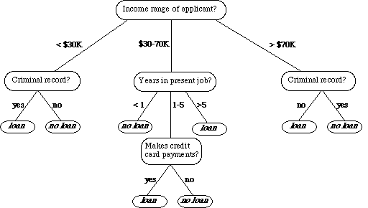

Decision Tree models might mis-classify a query record having unique feature combinations.
If there are a single or very few records in each leaf node, then it is a overfitted model. This happens when the tree grows too loarge. To avoid this, we need to control the growth of the tree through regularisation techniques.
If the growth of the tree is controlled, sometimes the leaf nodes are not perfectly homogeneous. Here, we use posterior probability to classify a query node. If the leaf node has 3 records of Class A and one record of Class B, then we can say that the probability of the class of the query record is P(A)=3/4 and P(B)=1/4.
A loss function is used to increase homogeneity while building the decision tree. For measuring the impurity, 2 measures are used: - Entropy - Gini
Shanon's Entropy Equation: Check video in Olympus
Impurity is when we have a traces of one class division into other.
Entropy is degree of randomness of elements or in other words it is measure of impurity. Mathematically, it can be calculated with the help of probability of the items as:

For example, if we have items as number of dice face occurrence in a throw event as 1123, the entropy is p(1) = 0.5 p(2) = 0.25 p(3) = 0.25 entropy = - (0.5 * log(0.5)) - (0.25 * log(0.25)) -(0.25 * log(0.25) = 0.45
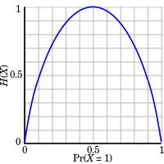

H and P_i are the y and x axes respectively. (P_i to be calculated as above in P(A) and P(B))
At each level of the decision tree, there should be decrese in Entropy value (or increase in Information Gain)
Entropy value remains between 0 and 1.
The information gain at any node is defined as: Information Gain (n) = Entropy(x) — ([weighted average] * entropy(children for feature))
Suppose we have multiple features to divide the current working set. What feature should we select for division? Perhaps one that gives us less impurity
Example of Information Gain: Entropy at root level : 0.66 Entropy of left child : 0.45 , weighted value = (4/9) * 0.45 = 0.2 Entropy of right child: 0.29 , weighted value = (5/9) * 0.29 = 0.16 Information Gain = 0.66 - [0.2 + 0.16] = 0.3
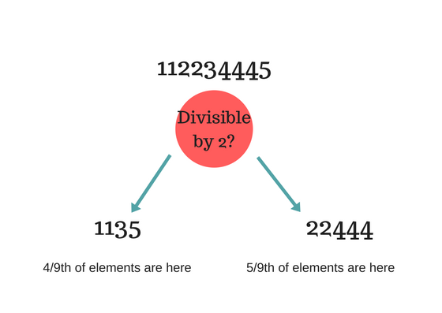

Gini Index:

For Binary Target variable, Max Gini Index value = 1 — (1/2)^2 — (1/2)^2 = 1–2*(1/2)^2 = 1- 2*(1/4) = 1–0.5 = 0.5
Gini value is between 0 and 0.5
Comparison between Entropy and Gini: both are almost same
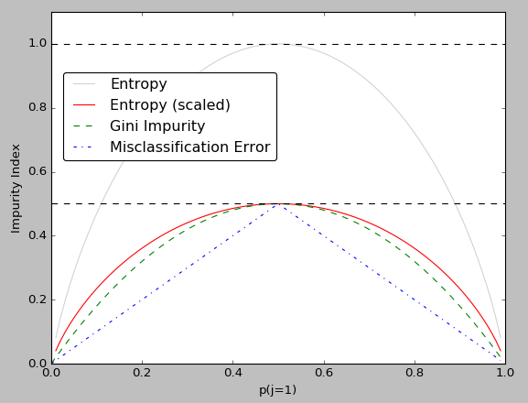

Advantages: - Simple and fast processing - Can work with missing data (missing data is considered as a separate data) - Handles numerical and categorical variables Disadvantages: - Does not have the intelligence to check for the best column for branching. Hence, greedy algorithm. - Large trees can be difficult to interpret. - May sometimes lead to overfitting.
Feature scaling not needed for Decision Tree Algorithm
Hyper parameters for Regularization: - max_depth -> The maximum depth of the tree. If None, then nodes are expanded until all leaves are pure or until all leaves contain less than min_samples_split samples. - min_samples_split -> The minimum number of samples required to split an internal node. - min_samples_leaf -> The minimum number of samples required to be at a leaf node. - max_features -> The number of features to consider when looking for the best split.
https://medium.com/machine-learning-101/chapter-3-decision-trees-theory-e7398adac567

Naïve Baye's
Naïve Bayes Classifiers are probabilistic models based on Bayes Theorem
Baye's Theorem

P(A) = (total no. of A) / (total no. of A & B)
P(A|B) = P(A and B) / P(B) -> Conditional Probability * A and B means intersection of A & B
Baye's Theorem: P(A∣B) = (P(B∣A)*P(A)) / P(B) P(A∣B) -> Posterior Probability P(B∣A) -> Likelihood P(A) -> Prior Probability P(B) -> Marginal Likelihood /Evidence
Order of Calculation: Prior Probability > Marginal Likelihood > Likelihood > Posterior Probability
Why Naïve? The fundamental assumption is that the features of the dataset are independent of each other (i.e, there is no covariance between them). However, in the real world this assumption is often violated. Hence, the Naïve.
If we have a certain event E and test actors x1,x2,x3, etc. We first calculate P(x1| E) , P(x2 | E) … and then select the test actor x with maximum probability value.
Need to have knowledge of Joint Probability and Conditional Probabbility
There are different forms of Naïve Baye's Theorem. One popular is the Gaussian Naïve Baye's.
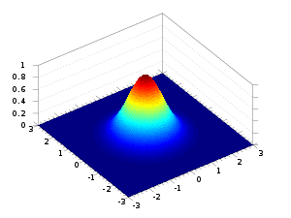
In Gaussian Naïve Baye's, it is assumed that the data is distributed in Gaussian form (in the form of a bell).

SVM
In machine learning, support-vector machines (SVMs, also support-vector networks[1]) are supervised learning models with associated learning algorithms that analyze data used for classification and regression analysis. Given a set of training examples, each marked as belonging to one or the other of two categories, an SVM training algorithm builds a model that assigns new examples to one category or the other, making it a non-probabilistic binary linear classifier (although methods such as Platt scaling exist to use SVM in a probabilistic classification setting). An SVM model is a representation of the examples as points in space, mapped so that the examples of the separate categories are divided by a clear gap that is as wide as possible. New examples are then mapped into that same space and predicted to belong to a category based on the side of the gap on which they fall.
In addition to performing linear classification, SVMs can efficiently perform a non-linear classification using what is called the kernel trick, implicitly mapping their inputs into high-dimensional feature spaces. | from sklearn.svm import SVC
When data are unlabelled, supervised learning is not possible, and an unsupervised learning approach is required, which attempts to find natural clustering of the data to groups, and then map new data to these formed groups. The support-vector clustering algorithm, applies the statistics of support vectors, developed in the support vector machines algorithm, to categorize unlabeled data, and is one of the most widely used clustering algorithms in industrial applications. | clf = svm.SVC(kernel='linear', gamma=0.025, C=3) # use kernel values as linear or rbf clf.fit(X_train , y_train) y_pred = clf.predict(X_test)
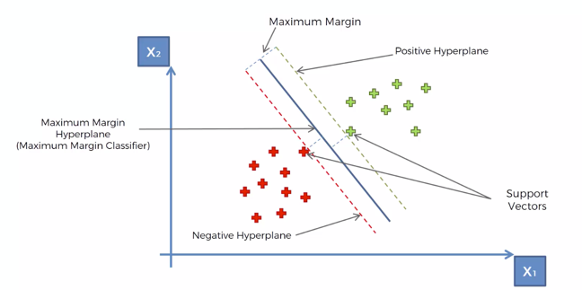

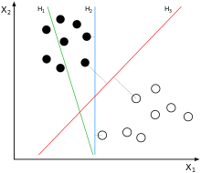
There are many hyperplanes that might classify the data. One reasonable choice as the best hyperplane is the one that represents the largest separation, or margin, between the two classes. So we choose the hyperplane so that the distance from it to the nearest data point on each side is maximized. If such a hyperplane exists, it is known as the maximum-margin hyperplane and the linear classifier it defines is known as a maximum-margin classifier; or equivalently, the perceptron of optimal stability.
H1 does not separate the classes.
H2 does, but only with a small margin.
H3 separates them with the maximal margin.

Whereas the original problem may be stated in a finite-dimensional space, it often happens that the sets to discriminate are not linearly separable in that space. For this reason, it was proposed that the original finite-dimensional space be mapped into a much higher-dimensional space, presumably making the separation easier in that space. However, this can be very computationaly intensive. Hence, we go for the Kernel approach.
Types of Kernel Functions used in the Kernel approach.
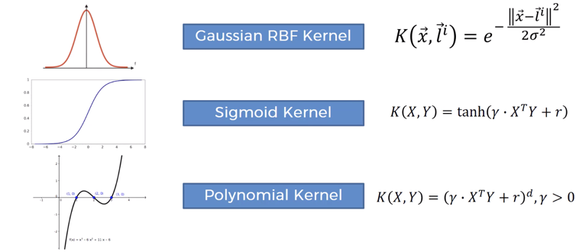

There are 3 parameters, 1) Regularization Parameter, 2) Gamma and 3) Kernel. Varying those we can achive considerable non linear classification line with more accuracy in reasonable amount of time.
Regularization Parameter: The Regularization parameter (often termed as C parameter) tells the SVM optimization how much you want to avoid misclassifying each training example. For large values of C, the optimization will choose a smaller-margin hyperplane if that hyperplane does a better job of getting all the training points classified correctly. Conversely, a very small value of C will cause the optimizer to look for a larger-margin separating hyperplane, even if that hyperplane misclassifies more points.
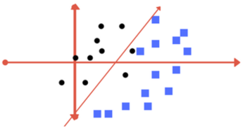
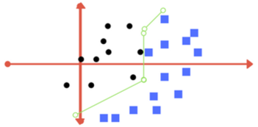

Left: low regularization value, right: high regularization value
Gamma: The gamma parameter defines how far the influence of a single training example reaches, with low values meaning ‘far’ and high values meaning ‘close’. In other words, with low gamma, points far away from plausible seperation line are considered in calculation for the seperation line. Where as high gamma means the points close to plausible line are considered in calculation.

Kernel: Polynomial and exponential kernels calculates separation line in higher dimension. This is called kernel trick

Model Assessment
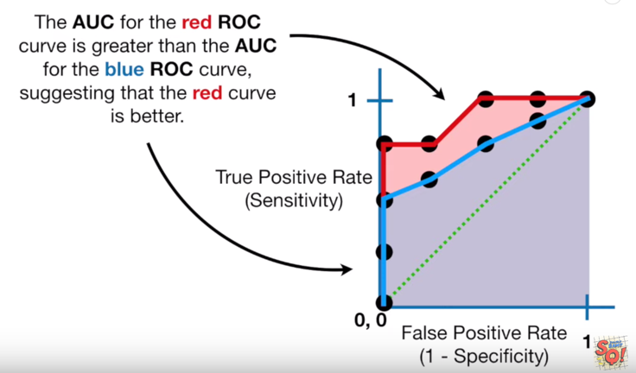
Confusion Matrix
True Positive True Negative False Positive (Type I Error) -> predicted as Yes, but should be No False Negative (Tyoe II Error) -> predicted as No, but should be Yes
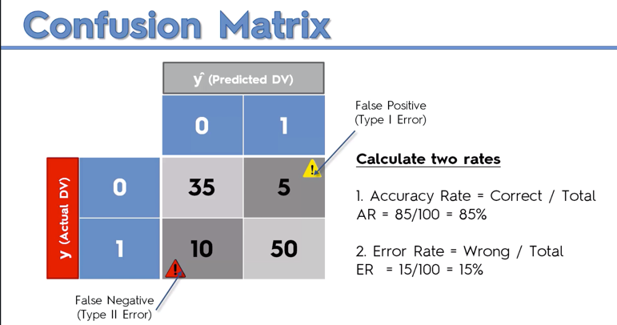

Classification Report
Precision: TP / (TP+FP) -> calculated for each class Precision is the ability of a classiifer not to label an instance positive that is actually negative. For each class it is defined as as the ratio of true positives to the sum of true and false positives. Said another way, “for all instances classified positive, what percent was correct?”
Recall: TP / (TP+FN) -> calculated for each class Recall is the ability of a classifier to find all positive instances. For each class it is defined as the ratio of true positives to the sum of true positives and false negatives. Said another way, “for all instances that were actually positive, what percent was classified correctly?”
F1: 2 x (precision x recall)/(precision + recall) A helpful metric for comparing two classifiers. F1 Score takes into account precision and the recall. It is created by finding the the harmonic mean of precision and recall. Higher the score better is the model. It is useful to compare 2 models when we find that one model has better precision and the other has better recall
Support: Support is the number of actual occurrences of the class in the specified dataset. Imbalanced support in the training data may indicate structural weaknesses in the reported scores of the classifier and could indicate the need for stratified sampling or rebalancing.
Accuracy: (TP+TN) / (TP+TN+FP+FN)
Area Under the Curve (AUC) and Receiver Opearator Characteristic (ROC)
The 2 parameters used in ROC curve are True Positive Rate and False Positive Rate | from sklearn.metrics import roc_curve from sklearn.metrics import roc_auc_score

 | trainX, testX, trainy, testy = train_test_split(data_X, class_label, test_size=0.3, random_state=1) model = RandomForestClassifier() model.fit(trainX, trainy) probs = model.predict_proba(testX) #Predict probabilities for the test data. probs = probs[:, 1] #Keep Probabilities of the positive class only. Compute the AUC Score. auc = roc_auc_score(testy, probs) print('AUC: %.2f' % auc) #Get the ROC Curve and plot ROC Curve using our defined function fpr, tpr, thresholds = roc_curve(testy, probs) plot_roc_curve(fpr, tpr)

Below diagram shows ROC curve for different threshold values in a Logistic Regression model. How to tell which threshold value is better than the other?
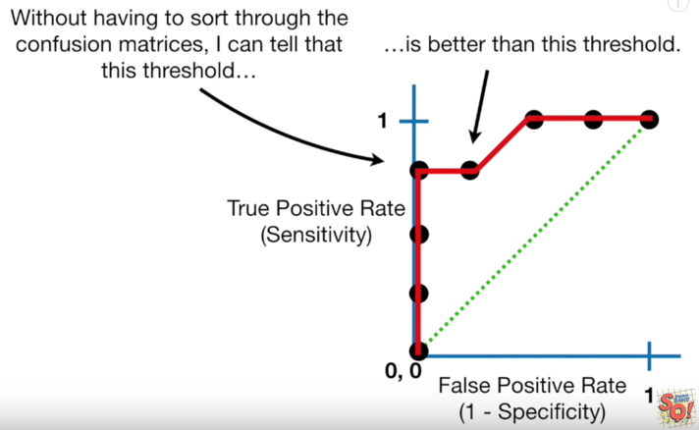

 | def plot_roc_curve(fpr, tpr): plt.plot(fpr, tpr, color='orange', label='ROC') plt.plot([0, 1], [0, 1], color='darkblue', linestyle='--') plt.xlabel('False Positive Rate') plt.ylabel('True Positive Rate') plt.title('Receiver Operating Characteristic (ROC) Curve') plt.legend() plt.show()

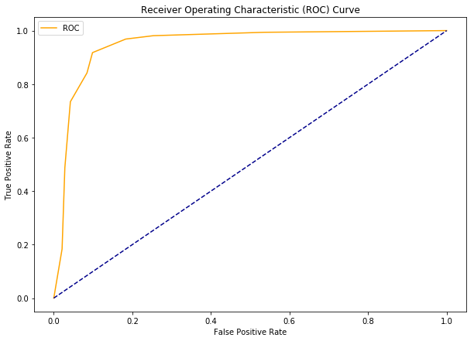
This is because the threshold value at the left has lesser False Positive Rate than the other. However, the True Positive Rate remains same for both.
AUC is the Area Under the Curve for the ROC Curve. We can use it to compare performance of different models. More the AUC, better is the model.

